FORM 10a - CW
FDP Form 10a - Bid Results on Civil Works
Note: Bid Results are in three (3) separate forms, particularly, for Civil Works (Form 10a -CW), Goods and Services (Form 10b - GS) and Consulting Services
(Form 10c - CS). If there is no bidded project, good or service for the quarter, the forms must still be submitted with the said notation and signed accordingly.

CIVIL WORKS BID-OUT

REGION: | REGION VII - CENTRAL VISAYAS |  | CALENDAR YEAR: | 2023
PROVINCE: | CEBU |  | QUARTER: | 4
CITY/MUNICIPALITY: | CITY OF BOGO

No. | Reference No. | Name of Project | Approved Budget for Contract | Location | Winning Bidder | Name and Address | Bid Amount | Bidding Date | Contract Duration

1 | Adv. #23-162 | Construction of Riprap | P1,999,809.00 | Brgy. Bundtod, Bogo City | Z AND G CONSTRUCTION SERVICES | DAKIT, BOGO CITY, CEBU | P1,998,409.88 | 10/24/2023 | 280CD
2 | Adv. #23-163 | Construction of Multi-Purpose Bldg. (Phase 2) | P3,936,045.75 | Brgy. Malingin, Bogo City | BOGO FULLNESS CONST. AND SUPPLY | DAKIT, BOGO CITY, CEBU | P3,936,000.00 | 10/24/2023 | 200CD
3 | Adv. #23-164 | Construction of Drainage for Various Brgy. | P2,741,542.92 | Various Brgy. Of Bogo City | Z AND G CONSTRUCTION SERVICES | DAKIT, BOGO CITY, CEBU | P2,739,342.71 | 10/24/2023 | 240CD
4 | Adv. #23-171 | Road Concreting of Brgy. Malingin Road | P30,000,339.22 | Brgy. Malingin, Bogo City | RDY CONSTRUCTOR | Taytayan, Bogo City | P29,998,060.37 | 10/31/2023 | 180CD
5 | Adv. #23-172 | Concreting of JNMNHS Access Road | P3,006,518.35 | Brgy. Nailon, Bogo City | RDY CONSTRUCTOR | Taytayan, Bogo City | P3,005,427.52 | 10/31/2023 | 90CD
6 | Adv. #23-173 | Construction of Multi-Purpose Bldg., Brgy. Polambato, Bogo City | P12,863,091.69 | Brgy. Polambato, Bogo City | RDY CONSTRUCTOR | Taytayan, Bogo City | P12,860,836.84 | 10/31/2023 | 150CD

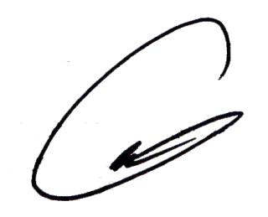
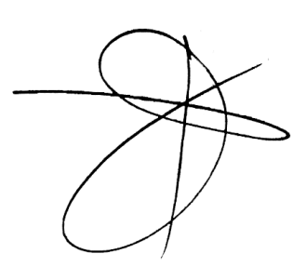
We hereby certify that we have reviewed the contents and hereby attest to the veracity and correctness of the data or information contained in this document.

CARLO FERNANDO G. LOGARTA |  |  | DANTE J. MAYOR | ROGER TONACAO | ENGR. RAMIRO A. LEPON |  |  | NELSON NAVARES
Chairman |  |  | Member | Member | Member |  |  | Member

